Sheet1
Na-ion Cell Design
Asked Requierments
 | Value | Units | value in SI
Total Energy Requirement | 11 | KWh
Power Requirement | 7 | KWh
Constraints
 | Material/Chemistry/Other | Property/ Spec 1 | Value | Units and Descpription | Property/ Spec 2 | Value | Units and Description | Property/ Spec 3 | Value | Units and Description | Property/ Spec 4 | Value | Units and Description
Cell Format | 18650 | Tall (Cylinder) | 650 | mm | Diameter (Cylinder) | 18 | mm | Max Cap | 3000 | mAh
Anode
Anode Active Material (AAM) | Hard Carbon (sHC) | Discharge Voltage | 2.5 | V | Charge Volatge | 0.2 | V | Cap per gram | 300 | mAh/g | Density of Cathode | 1.5 | g per cm^3
Binder for Anode | PVDF | Amount per g of AAM
Solvent for Anode |  | Amount per g of AAM |  | ml
Cathode
Cathode Active Material (CAM) | Na-Mn-Oxide (NMO) | Discharge Voltage | 2.7 | V (vs Na/Na+) | Charge Volatge | 4.2 | V (vs Na/Na+) | Cap per gram | 160 | mAh/g | Density of Cathode | 4.2 | g per cm^3
Binder for Cathode |  | Amount per g of CAM
Solvent for Cathode |  | Amount per g of CAM |  | ml

Anode C.C. |  |  |  | Width (Rect Sheet) | 6.50E-01 | m |  |  |  | Thickness | 15 | micron
Cathode C.C. |  |  |  | Width (Rect Sheet) | 6.50E-01 | m | Width (Rect Sheet) |  |  | Thicknes | 15 | micron
Electrolyte
Casing | S. steel | Thickness | 1.00E-03 | m
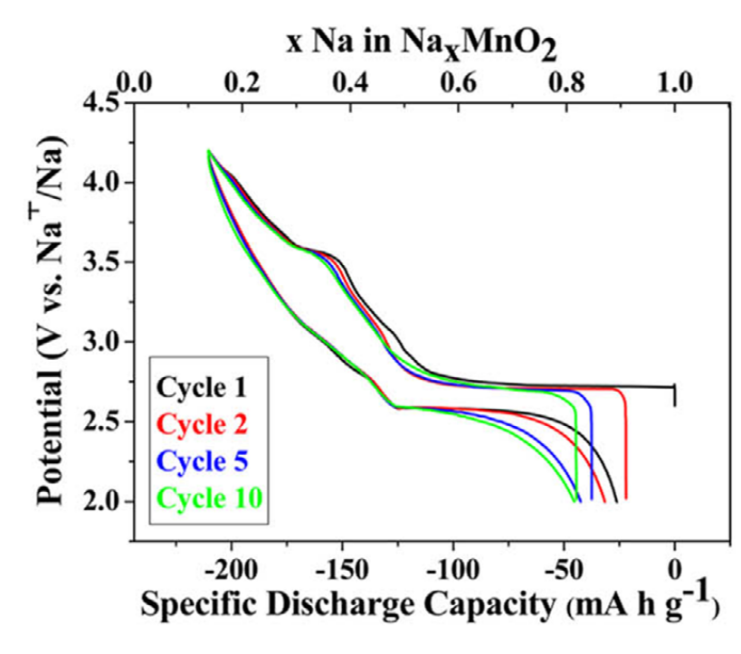
Implications from Constraints
 | Value 1 | Unit & Description | Value 2 | Unit
Cell Operating Voltage | 4 | V (upper Limit) | 0.2 | V (Lower limit)
Nominal Voltage | 3.7 | V
Total Charge Storage Capaity | 2.972972973 | KAh

Pack Design Paramters
 | Value | Unit & Description | Value in SI
Capacity Per Cell | 3000 | mAh
Number of Cells Needed | 990.99099099 | cell
Volume of one cell | 165404.85321 | mm^3 (vol=pi*radius^2*tall)
Pack Box Dimensions

Calculated Design Parameters per Cell
 | Param 1 | Value | Units and Descpription | Param 2 | Value | Units and Description | Param 3 | Value | Units and Description | Param 4 | Value | Units and Description | Param 5 | Value | Units and Description
Anode | AM Amount | 10 | gram (cap=cap per cell/cap per gram) | Other Material amount | 1 | g | Thickness | 2.00E-04 | m | Porosity | 0.5 | eps=(total electrode vol-solid vol)/total electrode vol | Tortuosity | 3
Cathode | AM Amount | 18.75 | gram (cap=cap per cell/cap per gram) | Other Material amount | 1.875 | g | Thickness | 2.00E-04 | m | Porosity | 0.6 | eps=(total electrode vol-solid vol)/total electrode vol | Tortuosity | 5
Anode C.C. | Length (Rectangular Sheet) | 1 | meter
Cathode C.C. | Length (Rectangular Sheet) | 1 | meter
Separator | Thickness | 1.00E-04 | m | Porosity | 0.5 |  | Length |  |  | Width
Casing | Thickness | 1.00E-03 | m
Electrolyte | Amount | 1.93E-04 | m^3

Calculated Costs per Cell |  |  |  |  |  | Cost of Pack
Component | Amount Required | Unit | Cost per unit | unit | Final Cost ($) | Cost in Pack ($) | Cost in Paper ($)
Anode | 10 | g | 15 | $ per Kg | 0.15
Anode Active Material
Binder For Anode
Carbon for Anode
Solvent for Anode
Cathode | 18.75 | g | 7.6 | $ per Kg | 0.1425
Cathode Active Material
Binder for Cathode
Solvent for Cathode

Anode C.C. | 0.00E+00 | m^2
Cathode C.C. | 0.00E+00 | m^2
Separator
Electrolyte
Casing

